Fabio
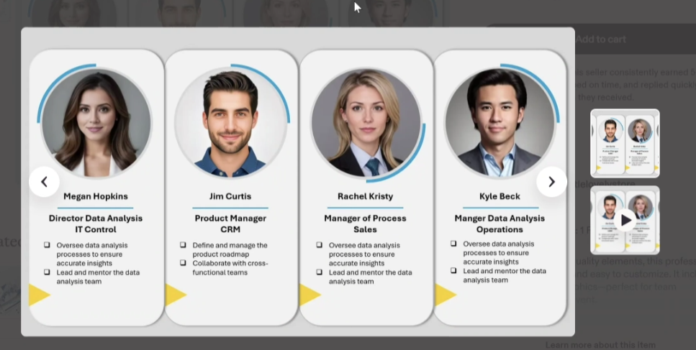
Full name | KTLO Designation | One / Two Liner Current JD | Certification Details | Profile Photo (Professional)
Krishna Karnam | L2, Veeva consultant | Manage and configure Veeva Vault platform and RIMS support, including user roles, permissions, workflows, and document lifecycles, ensuring compliance and operational efficiency. | • Veeva Vault Associate Administrator – Configuration Specialist. • AZ 900: Azure Fundamentals RIM | Krishna.jpg
Archana Chokhani | L2, Veeva consultant | Manage and configure Veeva Vault platform and RIMS support, including User Management, Document management, Lifecycle and Workflows, ensuring compliance and operational efficiency. | Veeva Vault Platform Administrator | Archana.jpeg
Khusbu Gupta | L3, Veeva consultant | L3 Veeva Vault RIM specialist supporting applications with advanced troubleshooting, lifecycle/workflow management and metadata configuration. Supports releases, impact assessments, and production stability in a GxP‑compliant environment. | Vault Platform Associate Administration
Ankit Sharma | L3, SaaS app support | Provide L3 application support across multiple GxP and non‑GxP SaaS platforms ensuring high availability, SLA adherence, and seamless user access management.Own incident resolution, platform documentation, troubleshooting, and secure SharePoint permission management to support business continuity and compliance. | ITIL Foundation Certified | Ankit.jpg
Madhushree Honnappa | L2, SharePoint Support | Provide L2 support for SharePoint and Power Platform solutions, including site provisioning, data migration, and enhancements to ensure platform stability and efficient collaboration. Collaborate with stakeholders on requirement analysis, deployments, and continuous improvements while maintaining governance and operational excellence. | AZ 900: Azure Fundamentals | Madhushree Honnappa.jpg
Manoj Kumar Chandubatla | L3 - Senior Sharepoint Consultant | Enterprise Technical Lead in Microsoft 365 ,Sharepoint and Power Platform. Driving scalable solutions and team delivery. | PL-400: Microsoft Power Platform Developer | Manoj.jpg
Yamini Damisetti | L2, Senior Software Design Engineer, COTS | Providing comprehensive L1 and L2 application support for both GxP and non GxP SaaS & COTS systems, ensuring continuous system availability and reliable operations through Service request and incident management. | AZ 900: Azure Fundamentals | Yamini.png
Diptirekha Rout | L2, Senior Software Design Engineer, COTS | Providing comprehensive L1 and L2 application support for both GxP and non GxP SaaS & COTS systems, ensuring continuous system availability and reliable operations through Service request and incident management. Collaborate with cross-functional teams to ensure timely resolution. | ITIL Foundation Certified, AZ 900: Azure Fundamentals | Dipti.jpg
Anjali Kumari | L1 Software Design Engineer | Manage and configure Veeva Vault platform and RIMS support, including user roles, permissions, workflows, and document lifecycles, ensuring compliance and operational efficiency.

Tanu Anoop | L2, SaaS support consultant | SaaS Technical Support professional with strong experience in troubleshooting REST APIs, integrations, and application issues using tools like Postman and Chrome DevTools. I support L2 incidents and works closely with engineering teams to ensure timely and accurate resolution. Currently handling GLE2E, MAPP, and other applications. |  | Tanu.jpg
Sai Murali Pirangi | L3, SSDE - Gmind support | Provide L3 production support for the Gmind_Reg_AI_Contentgen application, ensuring stability through advanced troubleshooting and root cause analysis. Enhance AI/LLM functionalities by optimizing prompts, model performance, and API efficiency. Maintain backend services using Python and FastAPI for scalable integrations. |  | Sai_Murali.png
Anoushka Sarkar | L3, Lead - COTS Support | Providing advanced L3 application support for both GxP and non-GxP COTS systems, ensuring system stability and performance through root cause analysis, Driving continuous improvement by collaborating with cross-functional teams, optimizing system architecture, and handling complex incidents, service requests, and escalations. |  | Anoushka.jpg
Sujitha Lakshmanan | L1, Senior Software Design Engineer, COTS Support | Provide first-line support for COTS applications, access control, validation, service request and incident tickets for both Gxp and NON-GxP. Perform troubleshooting & identify rootcause, monitoring application health, alerts. Collaborate with cross-functional teams to ensure timely resolution. Track & Manage tickets through tools like ServiceNow, IDM, GFAP & Ensuring SLA compliance. |  | Sujitha.jpg
Sasirekha Kaliappan | L1 Software Design Engineer, COTS Support | providing L1 application support at COTS Applications for GxP and non‑GxP systems, handling incident management, access control, documentation, and collaborating with cross‑functional teams to ensure stable, compliant system operations. |  | Sasirekha.jpg
Sreenath Reddy Devarapalli | L2, Senior Software Design Engineer, GADI Support | This role supports users by approving access requests, adding them to the right systems, and fixing login or desktop issues in RSD/GADI. It involves troubleshooting access, performance, and Citrix desktop problems while handling incident tickets within SLA. The work also includes coordinating with other teams, keeping users informed, and following Gilead’s approved processes and documentation. |  | Sreenath.jpg
Siddhardha Kurma | L1 SharePoint Support Engineer | Provide L1 support for custom SharePoint applications by handling issue triage, assisting users, and performing initial diagnostics, along with troubleshooting SharePoint Online components such as SPFx solutions, lists and libraries, permissions, and site configurations. Conduct technical analysis to identify root causes, resolve issues in Power Apps and Power Automate flows, and deliver minor code fixes or configuration changes. Ensure SLA compliance through timely resolution and clear stakeholder communication. | NA | siddhardha.jpg
Ravikiran S | L1,Software Design Engineer, GADI Support | This role supports users by approving access requests, adding them to the right systems, and fixing login or desktop issues in RSD/GADI. It involves troubleshooting access, performance, and Citrix desktop problems while handling incident tickets within SLA. The work also includes coordinating with other teams, keeping users informed, and following Gilead’s approved processes and documentation. | ITIL V4, AWS cloud practitioner, Az 900: Azure Fundamentals | Ravikiran.jpg
Pradeep S Masur | L1, Software Design Engineer, COTS KTLO Support & GLE2E Dev System support | Providing comprehensive L1 application support for both GxP and non GxP SaaS & COTS systems, ensuring continuous system availability and reliable operations through Service request and incident management. | Azure cloud computing Cyber security Agile Methodologies & ITIL | Pradeep.jpg
Yamini Takkoli | L1,Software Design Engineer | Working as a SaaS Technical Support Associate, providing L1 support. Responsible for handling user issues, performing initial troubleshooting, and ensuring smooth day-to-day application support. Actively managing tickets for applications such as GLE2E, MAPP, and other internal systems, with a focus on quick response and resolution within defined SLAs. |  | Yamini Takkoli.jpg
Megha Kulkarni | L1,Software Design Engineer | Providing L1 support for MAPP, MLP, and other applications ,ensuring continuous system availability and reliable operations through Service request and incident management. | AZ 900: Azure Fundamentals and AWS Cloud practitioner certified | megha.jpeg
Srihari Srinivasa | L1- Software Design Engineer & KTLO - Contractor | Providing L1 support for GxP (SPS, Veeva Vault) and Non‑GxP (COTS) applications, handling access management, service requests, and incident resolution to ensure stable and compliant operations. Monitor, track, and manage tickets via ServiceNow, IDM, and GFAP for SLA‑driven ticket management, while supporting Veeva Vault RIM support including user management, permissions, document lifecycles, workflows, and compliance monitoring. |  | Srihari.png
Adarsha Ekanthappa | L1,Software Design Engineer | Providing L1 support for Veeva Vault RIM applications, handling access management, service requests, and incident resolution to ensure stable and compliant operations. Monitor, track, and manage tickets via ServiceNow and IDM for SLA-driven ticket management, while supporting the Veeva Vault RIM platform, including user roles, permissions, workflows, and document lifecycles, ensuring compliance and operational efficiency.
Avinash Rathod | L1, Software Design Engineer | Delivering end-to-end Level 1 (L1) support for both GxP and non-GxP SaaS applications, maintaining high system availability and operational reliability through efficient handling of service requests and incident management. | AZ 900: Azure Fundamentals, Coding Ninjas: Introduction to python, Coding Ninjas: Data Structures & Algorithms in Python, Udemy: The Complete SQL BootCamp, PL 900: Power Platform Fundamentals | Avinash
Sulfeekar Ali | L2, Module Lead - Gmind support | Provide L2 production support for the Gmind_Reg_AI_Contentgen application, ensuring stability through advanced troubleshooting and root cause analysis. Enhance AI/LLM functionalities by optimizing prompts, model performance, and API efficiency. Maintain backend services using Python and FastAPI for scalable integrations. |  | sulfeekar photo.jpg
Mohiuddin Ali Shaik | L3, Senior Consultant - COTS Support | Providing advanced L3 application support for both GxP and non-GxP COTS systems, ensuring system stability and performance through root cause analysis, Driving continuous improvement by collaborating with cross-functional teams, optimizing system architecture, and handling complex incidents, service requests, and escalations. |  | mohiuddin ali shaik

 | N/A

